TECHNICAL SHEET GARMENT
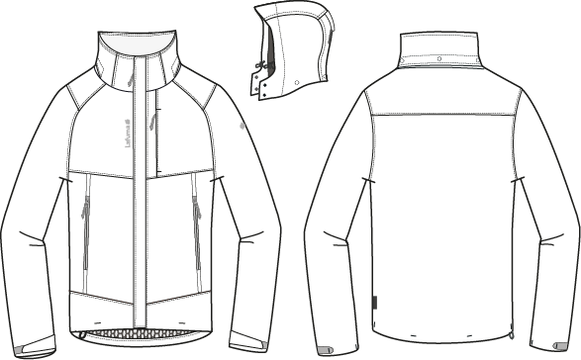
 |  | TECHNICAL SHEET GARMENT | WINTER 2018/19
LFV11420 |  | TRACK ZIP-IN JKT | INDEX | V1BULK-SMU
FABRIC / SUPPLIER : 06302 / LIBOLON |  |  | DEVELOPPER |  | Marjorie
DATE | 2017-10-11 |  | SUPPLIER : |  | PRIMA CHANNEL

MEN JKT COUNTER SAMPLE
 |  | COUNTER SAMPLE |  |  |  |  |  | WINTER 2018/19
LFV11420 |  |  | TRACK ZIP-IN JKT |  |  |  |  | INDEX | V1BULK-SMU
FABRIC / SUPPLIER : 06302 / LIBOLON |  |  |  |  |  |  |  | DEVELOPPER |  | Marjorie
DATE | 2017-10-11 |  |  |  |  |  |  | SUPPLIER : |  | PRIMA CHANNEL

 | MEASUREMENTS TAKEN ON FINISH PRODUCT
OUTER PRODUCT MEASUREMENTS IN CM |  |  |  | ALLOWANCES | Measures to follow for making 1st c/s SIZE M | SMU Mercury grey measured the 09/10/2017 | Measures to follow for BULK SMU
FRONT JACKET MEASUREMENTS (IN CM) |  |  |  |  | M | M | M
B | FRONT BREADTH AT 15CM FROM HPS |  |  | +/- 0,5 cm | 40 | 40 | 40
C | 1/2 CHEST ROUND |  |  | +/- 1 cm | 59 | 59 | 59
D | 1/2 WAIST ROUND AT 44CM FROM HPS |  |  | +/- 1 cm | 57 | 57 | 57
IA' | 1/2 BOTTOM ROUND STRETCHED |  |  | +/- 1 cm | 57 | 57 | 57
JA | TOTAL LENGHT FROM HPS |  |  | +/- 1 cm | 74 | 73 | 74
KA | SHOULDER LENGHT |  |  | +/- 0.5 cm | 12.5 | 13 | 12.5
KD | ARMHOLE HEIGHT - FOLLOWING ARMHOLE ROUND |  |  | +/- 0.5 cm | 25 | 26 | 25
LA | 1/2 UPPER ARM WIDTH |  |  | +/- 0,5 cm | 24.5 | 24.5 | 24.5
LB | 1/2 ELBOW WIDTH AT 30CM FROM BOTTOM |  |  | +/- 0,5 cm | 19.5 | 20 | 19.5
LC' | 1/2 CUFF WIDTH STRETCHED |  |  | +/- 0,5 cm | 14.5 | 14.5 | 14.5
N | TOTAL SLEEVE LENGHT |  |  | +/- 1 cm | 67 | 66 | 67
BACK JACKET MEASUREMENTS (IN CM)
R | BACK BREADTH AT 15CM FROM HPS |  |  | +/- 0,5 cm | 45 | 45 | 45
S | CENTER BACK LENGTH |  |  | +/- 1 cm | 74 | 73 | 74
COLLAR MEASUREMENTS (IN CM)
UA1 | NECK WIDTH |  |  | +/- 0,5 cm | 22 | 22 | 22
UA2 | FRONT NECK DEPTH |  |  | +/- 0,5 cm | 9 | 7 | 9
UB1 | INNER NECKLINE LENGHT |  |  | +/- 1 cm | 56 | 56 | 56
UB2 | COLLAR LENGHT AT THE TOP EDGE |  |  | +/- 1 cm | 55 | 55 | 55
UC1 | COLLAR HEIGHT AT CENTER BACK |  |  | +/- 0,5 cm | 9 | 9 | 9
UC3 | COLLAR HEIGHT AT MIDDLE FRONT |  |  | +/- 0,5 cm | 9 | 9 | 9
HOOD MEASUREMENTS (IN CM)
VA | HOOD LENGTH |  |  | +/- 1 cm | 50 | 50 | 50
VB | 1/2 CENTER HOOD WIDTH |  |  | +/- 0,5 cm | 25 | 25 | 25
VHA | HOOD HEIGHT ON FRONT |  |  | +/- 0,5 cm | 34 | 34 | 34
VHB | HOOD HEIGHT ON SHOULDER POINT |  |  | +/- 0,5 cm | 36 | 36 | 36
VE | COLLAR HEIGHT ON FRONT HOOD |  |  | +/- 0,5 cm | 7 |  | 7
OTHER MEASUREMENTS
Z1 | MIDDLE FRONT ZIPPER LENGHT |  |  | +/- 0,5 cm | 74 | 74 | 74
 | INSIDE ZIPPER CONNECTION |  |  | +/- 0,5 cm | 70 | 70 | 70
Z2 | HANDS POCKET ZIPPER LENGHT |  |  | +/- 0,5 cm | 24 | 24 | 24
 | CHEST POCKET ZIPPER LENGHT |  |  | +/- 0,5 cm | 16 | 16 | 16
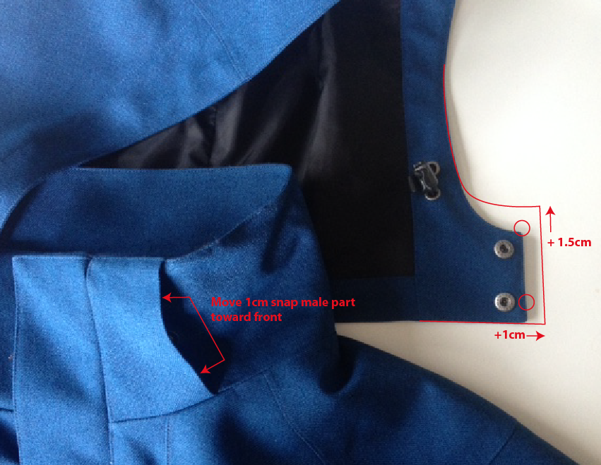
Comment for making 1st sample
Same style as LFV11412 without inner jacket

Comment on 1st sample of LFV11412 OUTER JACKET the 17/05/2017
Hold bottom sleeve hem with bartack on velcro
Use snap 17mm i/o 12mm
Use Taffetas on front panel lining i/o mesh lining
Increase hood collar height by 1,5cm
Increase hood lenght on bottom by 1cm
Move snap male part on front collar 1cm toward middle front

Go ahead for SMS, copy of outer Jacket of LFV11412

Comment in Taipei the 14/07/2017
Same as outer jacket of LFV11412

Comments on SMU color MERCURY GREY the 11/10/2017
OK BULK SMU - same as outer jacket of LFV11412

DETAILS OUTER JKT 1
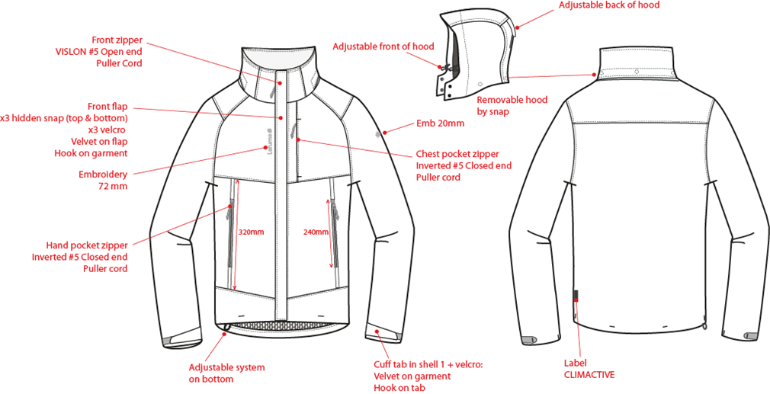
 |  | DETAILS JKT |  | WINTER 2018/19
LFV11420 |  |  | TRACK ZIP-IN JKT | INDEX | V1BULK-SMU
FABRIC / SUPPLIER : 06302 / LIBOLON |  |  |  | DEVELOPPER |  | Marjorie
DATE | 2017-10-11 |  |  | SUPPLIER : |  | PRIMA CHANNEL

DETAILS LINING JKT 1
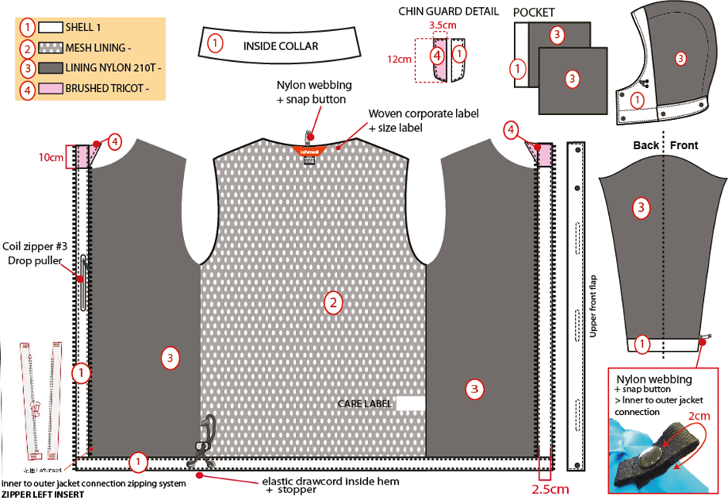
 |  | DETAILS LINING |  | WINTER 2018/19
LFV11420 |  |  | TRACK ZIP-IN JKT | INDEX | V1BULK-SMU
FABRIC / SUPPLIER : 06302 / LIBOLON |  |  |  | DEVELOPPER |  | Marjorie
DATE | 2017-10-11 |  |  | SUPPLIER : |  | PRIMA CHANNEL

HOOD DETAILS
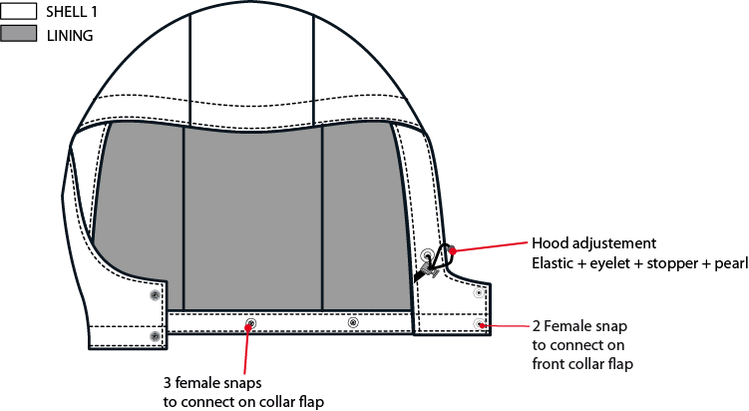
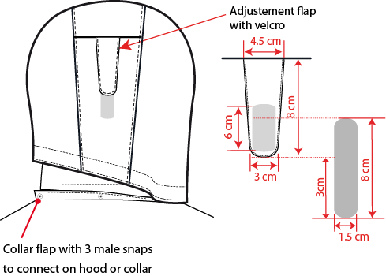
 |  | DETAILS HOOD |  | WINTER 2018/19
LFV11420 |  |  | TRACK ZIP-IN JKT | INDEX | V1BULK-SMU
FABRIC / SUPPLIER : 06302 / LIBOLON |  |  |  | DEVELOPPER |  | Marjorie
DATE | 2017-10-11 |  |  | SUPPLIER : |  | PRIMA CHANNEL

CONNECTION DETAILS
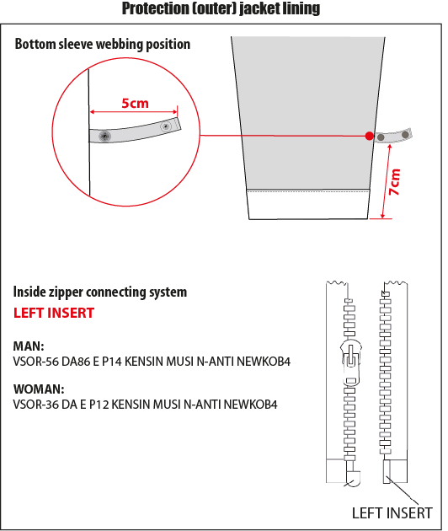
 |  | DETAILS CONNECTION |  | WINTER 2018/19
LFV11420 |  |  | TRACK ZIP-IN JKT | INDEX | V1BULK-SMU
FABRIC / SUPPLIER : 06302 / LIBOLON |  |  |  | DEVELOPPER |  | Marjorie
DATE | 2017-10-11 |  |  | SUPPLIER : |  | PRIMA CHANNEL

COLOR SKETCH
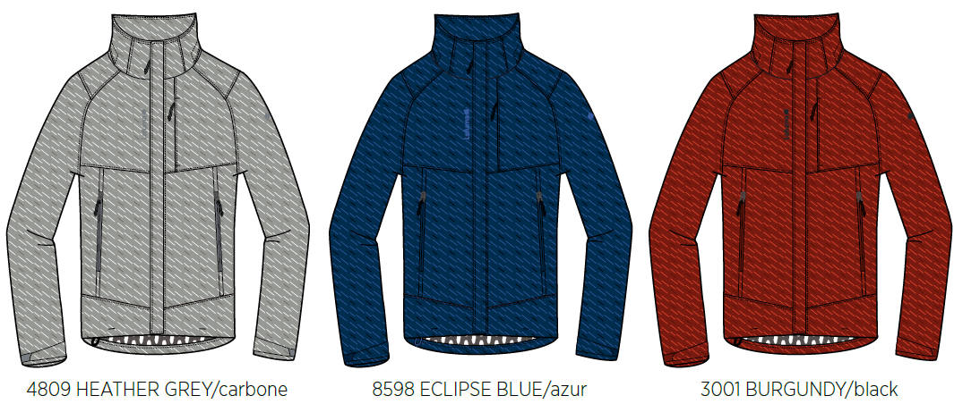
 |  | COLOR SKETCH |  | WINTER 2018/19
LFV11420 |  |  | TRACK ZIP-IN JKT | INDEX | V1BULK-SMU
FABRIC / SUPPLIER : 06302 / LIBOLON |  |  |  | DEVELOPPER |  | Marjorie
DATE | 2017-10-11 |  |  | SUPPLIER : |  | PRIMA CHANNEL

COLOR COMBINATION
 |  | COLOR COMBINATION |  |  |  |  |  |  |  |  | WINTER 2018/19
LFV11420 |  |  |  | TRACK ZIP-IN JKT |  |  |  |  |  |  | INDEX | V1BULK-SMU
FABRIC / SUPPLIER : 06302 / LIBOLON |  |  |  |  |  |  |  |  |  |  | DEVELOPPER |  |  | Marjorie
DATE | 2017-10-11 |  |  |  |  |  |  |  |  |  | SUPPLIER : |  |  | PRIMA CHANNEL
FABRIC OUTER JKT |  |  |  |  |  |  | SMU MERCURY GREY 6912 | HEATHER GREY 4809 | ECLIPSE BLUE 8598 | BURGUNDY 8606
SHELL 1 06302 |  |  |  | LIBOLON | GARMENT |  | HEATHER GREY | HEATHER GREY | INK/NOIR | BURGUNDY LAF
MESH |  |  |  | LOCAL | BODY |  | GREY | GREY | BLACK | BLACK
TAFFETAS NYLON 210T |  |  |  | LOCAL | SLEEVES LINING + HOOD + POCKET BAG + FRONT PANEL LINING |  | GREY | GREY | BLACK | BLACK
BRUSH TRICOT REF: AM1378 ASIA FIT |  |  |  | LOCAL | CHIN GUARD |  | GREY | GREY | BLACK | BLACK
FULL SEAM TAPE |  |  |  | LOCAL | FULL BODY |  | clear | CLEAR | CLEAR | CLEAR
NON WOVEN |  |  |  | LOCAL | FLAPS + EMBROIDERIES BACKSIDE |  | WHITE | WHITE | WHITE | WHITE
TRIMMING AND ACCESSORIES OUTER JKT
 | DESCRIPTION |  | REF | SUPPLIER | DESIGNATION | QTY | SMU MERCURY GREY 6912 | HEATHER GREY 4809 | ECLIPSE BLUE 8598 | BURGUNDY 8606 | XS | S | M | L | XL | XXL
Zipper VISLON # 5 - 1WAY - separable- autolock SD51MA.RT |  |  |  | MAX zipper | Front zip | 1 | BLACK 580 | GREY 301 | ECLIPSE BLUE 960 | BURGUNDY 527
Zipper VISLON #5- 1WAY - Left insert VSOR-56 DA86 E P14 KENSIN MUSI N-ANTI NEWKOB4 |  |  |  | YKK ZIPPER | Front zip (inside jkt) / 3in1 system | 1 | BLACK 580 | GREY/BLACK TAPE : 301 TEETH : 580 | ECLIPSE BLUE/AZUR BLUE TAPE : 960 TEETH : 918 | BLACK/BURGUNDY TAPE : 580 TEETH : 527
Zipper REVERSE # 5 - 1WAY - Non separable - non lock SN52MAX |  |  |  | MAX zipper | Hands pockets under flap (2) Chest pocket (1) | 3 | BLACK 580 | GREY 301 | ECLIPSE BLUE 960 | BURGUNDY 527
NYLON #3 - 1WAY - Non separable -non lock - DROP PULLER |  |  |  | YKK ZIPPER | Inner pocket | 1 | BLACK 580 | GREY 301 | ECLIPSE BLUE 960 | BURGUNDY 527
cord puller |  |  | ZP072-E | DRAGON TIMES | Front opening (1) | 1 | NOIR | NOIR | AZUR BLUE | NOIR
cord puller |  |  | ZP072-E | DRAGON TIMES | Front pockets (2) Chest pocket (1) | 3 | NOIR | NOIR | SAPHIR | NOIR
2,5mm ELASTIC CORD |  |  |  | LOCAL | Bottom adjustment (1) Hood adjustment (1) | 2 | BLACK | BLACK | BLACK | BLACK
MMG CORD STOPPER 20MM+SLIT |  |  | EIS15U-XMSTP01 | UNITEX | Bottom adjustment (1) Hood adjustment (2) | 3 | NOIR | NOIR | NOIR | NOIR
10mm METAL EYELET |  |  |  | LOCAL | Bottom adjustment (2) Hood adjustment (4) | 6 | ANTIC SILVER | ANTIC SILVER | ANTIC SILVER | ANTIC SILVER
PLASTIC PEARL |  |  | CP-A1 | UNITEX | Hood adjustment (2) | 2 | NOIR | NOIR | NOIR | NOIR
5mm POLYESTER WEBBING |  |  | EIS15U-XMTRE01 | YF ZIPPER | Bottom adjustment (2) Hood adjustment (2) to hold stopper and cord | 4 | NOIR | NOIR | NOIR | NOIR
17mm METAL SNAP (male & female) (NVISIBLE) |  |  |  | LOCAL | Front flap (2 on top + 1 on bottom) | 3 | ANTIC SILVER | ANTIC SILVER | ANTIC SILVER | ANTIC SILVER
17mm METAL SNAP (male & female) (NVISIBLE) |  |  |  | LOCAL | Front hood & collar flap (4) Back hood removable system (3) | 7 | ANTIC SILVER | ANTIC SILVER | ANTIC SILVER | ANTIC SILVER
VELCRO FEMALE velvet (rounded corner) 10x60mm |  |  |  | LOCAL / PAHIO | Front flap | 3 | BLACK | BLACK | ECLIPSE BLUE TO539 | BLACK
VELCRO MALE hook (rounded corner) 10x60mm |  |  |  | LOCAL / PAHIO | garment front | 3 | BLACK | BLACK | ECLIPSE BLUE TO539 | BLACK
VELCRO FEMALE velvet (rounded corner) 20x80mm |  |  |  | LOCAL / PAHIO | Back hood adjustment on GARMENT | 1 | BLACK | BLACK | ECLIPSE BLUE TO539 | BLACK
VELCRO MALE hook (rounded corner) 20x60mm |  |  |  | LOCAL / PAHIO | Back hood adjustment on FLAP | 1 | BLACK | BLACK | ECLIPSE BLUE TO539 | BLACK
VELCRO FEMALE velvet (rounded corner) 20x100mm |  |  |  | LOCAL / PAHIO | Cuff adjustment on GARMENT | 2 | BLACK | BLACK | ECLIPSE BLUE TO539 | BLACK
VELCRO MALE hook (rounded corner) 20x60mm |  |  |  | LOCAL / PAHIO | Cuff adjustment on FLAP | 2 | BLACK | BLACK | ECLIPSE BLUE TO539 | BLACK
VELCRO FEMALE velvet (rounded corner) 12x60mm |  |  |  | LOCAL / PAHIO | Back bottom hood Back bottom collar | 2 | BLACK | BLACK | ECLIPSE BLUE TO539 | BLACK
VELCRO MALE hook ( rounded corner) 12x60mm |  |  |  | LOCAL / PAHIO | Top collar storage hood | 1 | BLACK | BLACK | ECLIPSE BLUE TO539 | BLACK
12mm NYLON WEBBING |  |  |  | LOCAL | JKT connection Neckline (1) Sleeves Connection(2) | 3 | BLACK | BLACK | BLACK | BLACK
10mm PLASTIC SNAP |  |  |  | LOCAL | JKT connection Neckline (1) Sleeves connection(2) | 3 | BLACK | BLACK | BLACK | BLACK
MARKING OUTER JKT
EMBROIDERY LAFUMA 72 mm |  |  |  | MING SHANG | Right front / top | 1 | BLACK | GREY 40022 | AZUR BLUE 9135 | BLACK
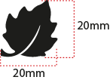 EMBROIDERY LAFUMA FEUILLE 20 mm |  |  |  | MING SHANG | Left sleeve / top | 1 | BLACK | GREY 40022 | AZUR BLUE 9135 | BLACK
 CLIMACTIVE WOVEN FLY |  |  | LW050-E | TRIPLE STAR | Bottom LEFT back | 1 | BLACK | BLACK | BLACK | BLACK
LABELS OUTER JKT
MAIN LABEL medium size |  |  | LW034-E | SML | Neckline / centered | 1 | ORANGE
SIZE WOVEN LABEL MMG MEN ALPHA/TOP |  |  | LWS18-01 | SML | Neckline / centered | 1 | STANDARD
Care Label & P.O. Label |  |  | LC011-E | LOCAL | left side seam | 1 | WHITE satin
HANG TAG
HANG TAG MIX & MATCH |  |  | HT394325/NE | TRIPLE STAR | Front zipper | 1 | STANDARD
HANG TAG LOW IMPACT |  |  | HT394299-E | TRIPLE STAR | On top of corporate HT | 1 | STANDARD
  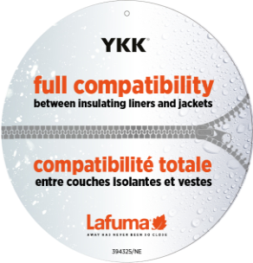 HANGTAG LAFUMA CORPORATE |  |  | HT-394081-E | Triple star | Refer artwork for position | 1 | STANDARD
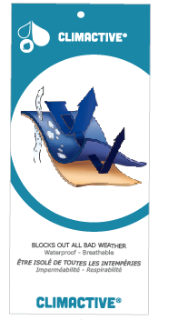 HANG TAG CLIMACTIVE |  |  | BIG HT394133-E | TRIPLE STAR | Refer artwork for position | 1 | STANDARD
 HANG TAG PFC FREE |  |  | HT394145-E | TRIPLE STAR | On back of corporate HT | 1 | STANDARD
 GENCODE STICKER |  |  |  | LOCAL |  | 2
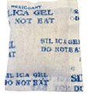 SILICA GEL DMF U FREE 5gr |  |  |  | LOCAL |  | 1
 POLYBAG |  |  |  | LOCAL |  | 1
 |  |  |  | LOCAL |  | 1

JACKET SKETCH MEASUREMENTS
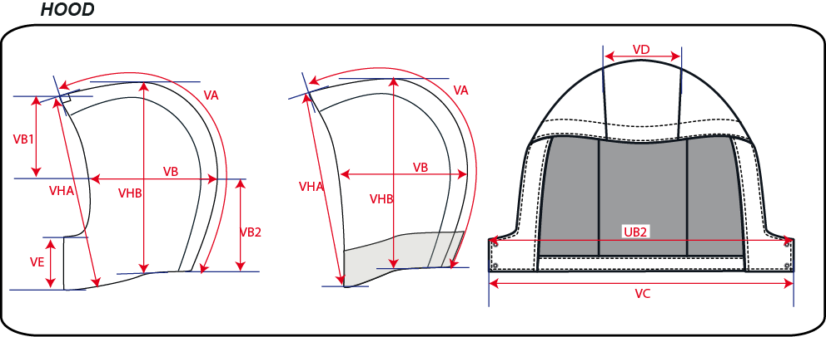
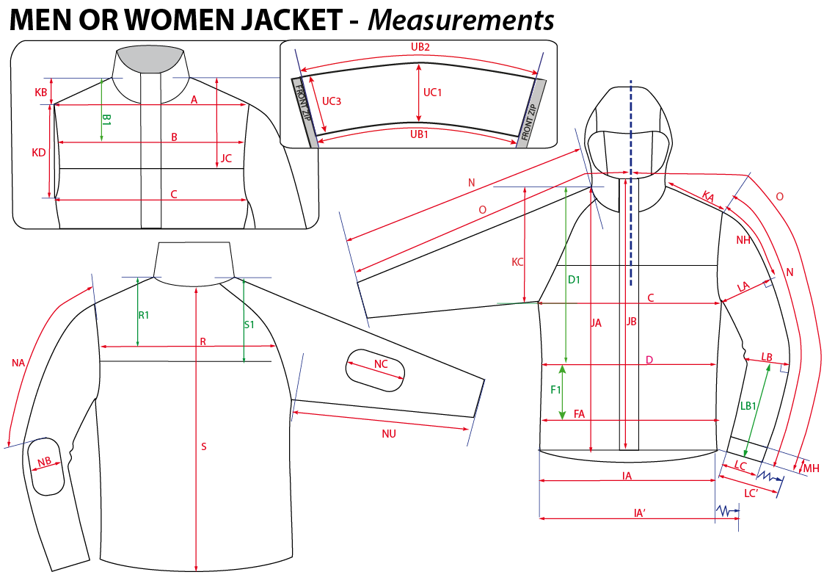
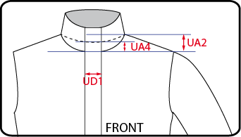
 |  | HOW TO TAKE MEASUREMENTS |  | WINTER 2018/19
LFV11420 |  |  | TRACK ZIP-IN JKT |  | INDEX | V1BULK-SMU
FABRIC / SUPPLIER : 06302 / LIBOLON |  |  |  | DEVELOPPER |  | Marjorie
DATE | 2017-10-11 |  |  | SUPPLIER : |  | PRIMA CHANNEL

HANG TAGS
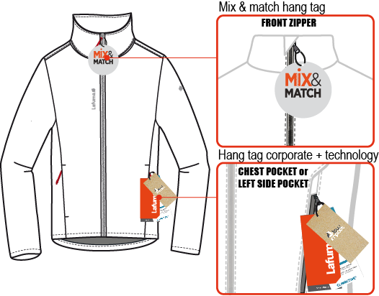
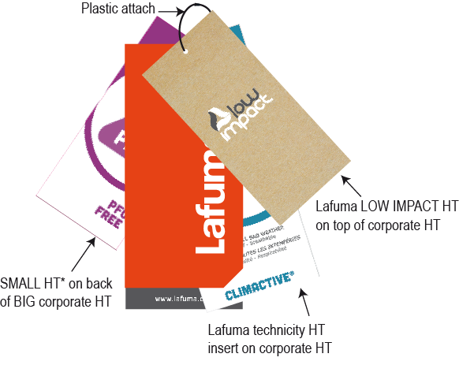
 |  | HOW TO ATTACH HANG TAGS |  | WINTER 2018/19
LFV11420 |  |  | TRACK ZIP-IN JKT |  | INDEX | V1BULK-SMU
FABRIC / SUPPLIER : 06302 / LIBOLON |  |  |  | DEVELOPPER |  | Marjorie
DATE | 2017-10-11 |  |  | SUPPLIER : |  | PRIMA CHANNEL

